Steel Beams and Columns
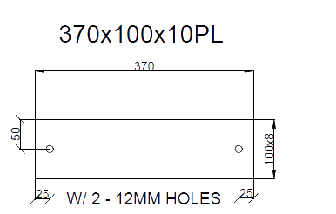
STEEL BEAMS AND COLUMNS |  |  |  |  | Not Coastal |  |  |  | Checker Comments | Complete (date) | Workings Area
Job Number | 304909
Steel Beams | Room | Qty | Length | Selection | Floor | Cut Type | Block Req
0.00 |  |  |  |  |  |  | 0
0.00 |  |  |  |  |  |  | 0
0.00 |  |  |  |  |  |  | 0
0.00 |  |  |  |  |  |  | 0
0.00 |  |  |  |  |  |  | 0
0.00 |  |  |  |  |  |  | 0
0.00 |  |  |  |  |  |  | 0
0.00 |  |  |  |  |  |  | 0
0.00 |  |  |  |  |  |  | 0
0.00 |  |  |  |  |  |  | 0
0.00 |  |  |  |  |  |  | 0
0.00 |  |  |  |  |  |  | 0
0.00 |  |  |  |  |  |  | 0
 |  | 0 | 0.00 |  |  |  | 0.00
Columns / Posts | Location | Qty | Length | Selection | Floor | Cut Type | Base Type | Designation
0 |  |  |  |  |  |  |  |  | For twin posts with one base plate use the base type 370*100*10 Twin
0
0
0
0
0
0
0
0
0
0
0
 |  | 0 | 0.00
 |  |  |  | All base plates, caps and cleats to be provided loose

 |  |  |  |  | Posts | Ground | First
 |  |  |  |  | 90*90*2 Duragal Post | 0.00 | 0
 |  |  |  |  | 50*50*4 SHS | 0.00 | 0
 |  |  |  |  | 100*50*4 RHS | 0.00 | 0
 |  |  |  |  | 150*50*4 RHS | 0.00 | 0
 |  |  |  |  | 42mm CHS | 0.00 | 0
 |  |  |  |  | 50*50*4 SHS HDG | 0.00 | 0
 |  |  |  |  | 50*50*4 SHS HDG R6 HIT 50 MISS 150 | 0.00 | 0
 |  |  |  |  | 50*50*4 SHS R6 HIT 50 MISS 150 | 0.00 | 0
 |  |  |  |  | 100*50*4 RHS - With Hit and miss 6mm rod welded | 0.00 | 0
 |  |  |  |  | 150*50*4 RHS - With Hit and miss 6mm rod welded | 0.00 | 0
 |  |  |  |  |  | 0.00 | 0
 |  |  |  |  | Quantity Posts | 0 | 0

